ART
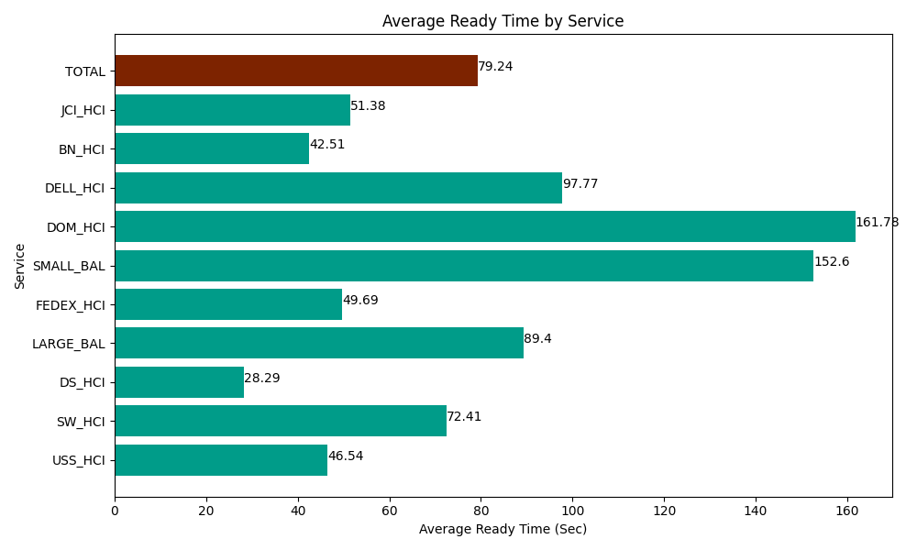
Date | Service | Successful Op Transfer | In Call (Sec) | Ready (Sec) | Wrapup (Sec) | Not Ready (Sec) | Average Ready Time (Sec)
04-10-2024 | USS_HCI | 154 | 22956.000366 | 7166.9998169 | 17989.200439 | 2582.9999542 | 46.54
04-10-2024 | SW_HCI | 92 | 4207.7998352 | 6661.7999268 | 6080.9999084 | 9064.2004395 | 72.41
04-10-2024 | DS_HCI | 531 | 35477.999268 | 15023.999634 | 63530.998535 | 67525.202637 | 28.29
04-10-2024 | LARGE_BAL | 2 | 438.00001144 | 178.80000114 | 370.20000458 | 16.200000644 | 89.4
04-10-2024 | FEDEX_HCI | 65 | 6541.1997986 | 3229.8001099 | 6139.8001099 | 4504.8001099 | 49.69
04-10-2024 | SMALL_BAL | 3 | 55.200001001 | 457.80000687 | 144.00000572 | 53.999998569 | 152.6
04-10-2024 | DOM_HCI | 36 | 2347.8000641 | 5824.1999817 | 4027.2001648 | 316.80001259 | 161.78
04-10-2024 | DELL_HCI | 77 | 8263.2000732 | 7528.2000732 | 18901.199341 | 9226.2002563 | 97.77
04-10-2024 | BN_HCI | 855 | 61197.000732 | 36349.801025 | 84940.202637 | 51255 | 42.51
04-10-2024 | JCI_HCI | 512 | 46385.998535 | 26308.200073 | 68743.198242 | 29881.199341 | 51.38
 | TOTAL | 2327 | 187870.19868 | 108729.60065 | 270866.99939 | 174426.60275 | 79.24

